Simpel
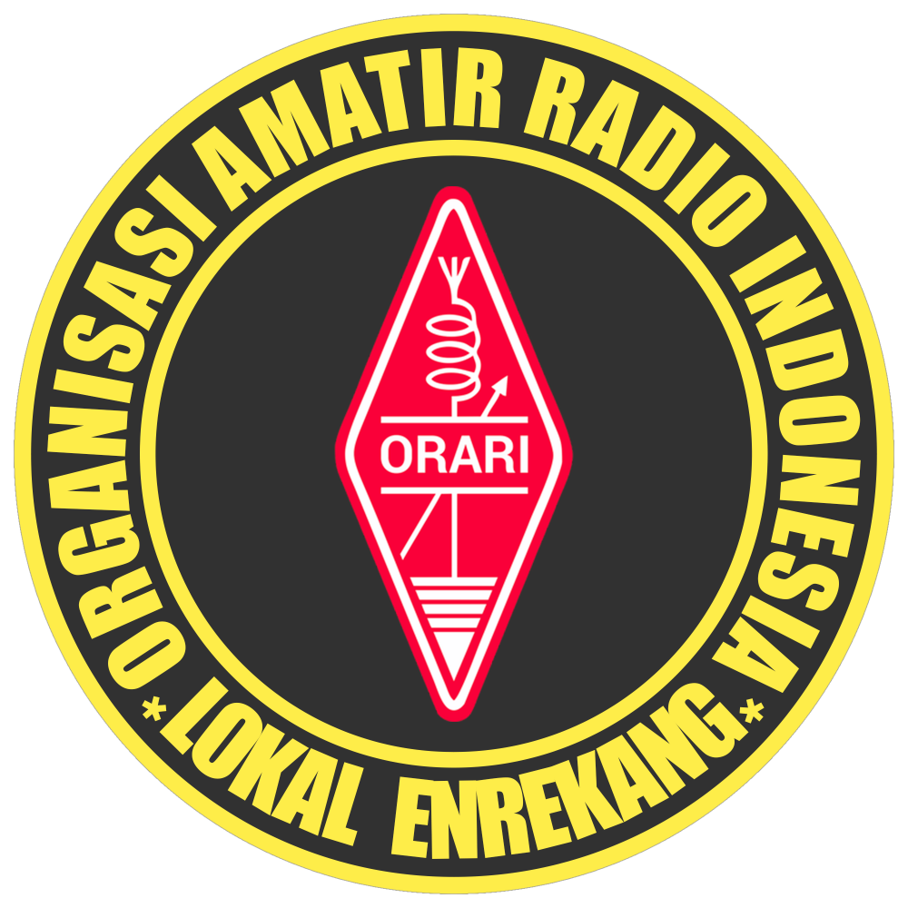 |  |  | NET ORARI LOKAL ENREKANG
 |  |  | Freq / Server: 2M Band / Latimojong1 148.129.218.218
 |  |  | Tanggal: 20-07-26
 |  |  | Logsheeter: YC8BCQ
 |  |  | NCS: YC8HBQ
 |  |  | KEAR: YC8BGQ

NO | CALL SIGN | NO | CALL SIGN | NO | CALL SIGN | NO | CALL SIGN | NO | CALL SIGN | NO | CALL SIGN
1 | YC8BGQ | 18 | YC9WWV | 35 | YB9XCM | 52 | YF7UEX | 69 | YD8AWZ | 86 | YD8EPK
2 | YC8BCQ | 19 | YC4EAF | 36 | YC8LZL | 53 | YG5NEK | 70 | CA011 | 87 | YD8EQD
3 | YB8BV | 20 | YD8ETF | 37 | YD8IXK | 54 | YC8IRZ | 71 | YC8HYP | 88 | YD8EOU
4 | YD8AVY | 21 | YD8BXX | 38 | YC7HHW | 55 | YC8HNM | 72 | YD8HFN | 89 | YD8ADK
5 | YD8MAO | 22 | YD8MXX | 39 | CA177 | 56 | YC8EPE | 73 | YB8FPI | 90 | YC8CAQ
6 | YD8EVS | 23 | YC8CCG | 40 | YD8EXX | 57 | YC8AUE | 74 | YC8DQO | 91 | YD8CKM
7 | YD8BPM | 24 | YD8DGL | 41 | YC8DDL | 58 | YD8GLP | 75 | YD8NAJ | 92 | YD8EPD
8 | YC8GBD | 25 | YD8FHC | 42 | YD8EHS | 59 | YD8FAE | 76 | YD8FAC | 93 | YC8EQ
9 | YC8ATI | 26 | YB8SEG | 43 | CA113 | 60 | YD8IYM | 77 | YD8ECK | 94 | YD8FJV
10 | YD8ERD | 27 | YC6AAA | 44 | YD8MTU | 61 | YD8COW | 78 | CA070 | 95 | YD8FUT
11 | YC8CPL | 28 | YC2DIS | 45 | YD8EQD | 62 | YC8APN | 79 | YD8EPB | 96 | CA123
12 | YD8EHG | 29 | YD8AWX | 46 | YC8DSM | 63 | YC8RDW | 80 | YC8BWF | 97 | YD8DCW
13 | YD8EVX | 30 | YC8AKJ | 47 | YC8BPQ | 64 | YC8AUL | 81 | YC9UPI | 98 | YD8BBO
14 | YC2YDO | 31 | YC7HHM | 48 | YC8ETQ | 65 | YC8FXS | 82 | YC8APX | 99 | YC8HBQ
15 | YC8CDY | 32 | YD8AZQ | 49 | YG8PGQ | 66 | YC9CXS | 83 | CA031 | 100
16 | YC8DEI | 33 | YD8BBF | 50 | YC8AKJ | 67 | YC8FAB | 84 | YC8FJV | 101
17 | YC9VCD | 34 | YD8NAJ | 51 | YD8GTP | 68 | YC8CMO | 85 | YD8EVB | 102

TERIMA KASIH ATAS PARTISIPASI REKAN-REKAN SEMUA. MOHON MAAF JIKA ADA KESALAHAN DALAM PENULISAN CALLSIGN NYA. SAMPAI JUMPA PADA NET BERIKUTNYA.

