Simpel
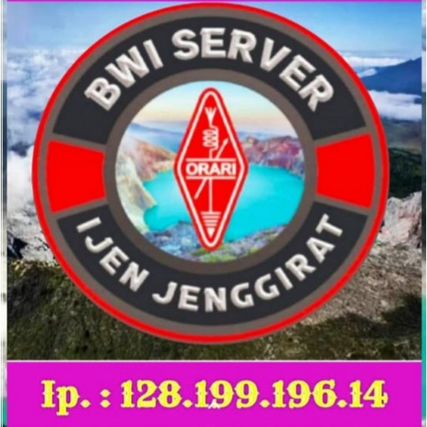 |  |  | KEGIATAN IJEN JENGIRAT NET
 |  |  | Freq / Server: IJE JINGGGIRAT SERVER AD 128.199.196.14
 |  |  | Tanggal: 15-07-26
 |  |  | Logsheeter: YC8BCQ
 |  |  | NCS: YC8BCQ
 |  |  | KEAR: -

NO | CALL SIGN | NO | CALL SIGN | NO | CALL SIGN | NO | CALL SIGN | NO | CALL SIGN | NO | CALL SIGN
1 | YC2IFR | 16 | YB3EJL | 31 | YC0UL | 46 | YB7UYA | 61 | YC8IRZ | 76 | YF5STS
2 | YC3OQU | 17 | YD4AKP | 32 | YC3AOC | 47 | YE8RSI | 62 | YF7ILA | 77 | YC4FJM
3 | YC5OE | 18 | YB4MBB | 33 | YF8WEK | 48 | YD8AVY | 63 | YD9UJX | 78 | YG4SAL
4 | YC7NGD | 19 | YD8FAC | 34 | YD8CMA | 49 | YC1DRZ | 64 | YC9GGF | 79 | YE5RB
5 | YD2LLG | 20 | YC2EVK | 35 | YF8VHU | 50 | YC4AJE | 65 | YD7IEX | 80 | YD9IHC
6 | YC7IMG | 21 | YC2BDR | 36 | YD8CEH | 51 | YC8NFF | 66 | YD9HZP | 81 | YD4SPO
7 | YD3WBK | 22 | YC8KNV | 37 | YE8XBJ | 52 | HS9FMO | 67 | YG2BYC | 82 | YF4FHW
8 | YC2DIS | 23 | YB3GET | 38 | YC7UBT | 53 | E25STI | 68 | YD9HOU | 83 | YC7KXG
9 | YD4SJB | 24 | YC8EPE | 39 | YD6HBM | 54 | YC8BRA | 69 | YD2DFB | 84 | YB3UFA
10 | YB4CHE | 25 | YE8VCW | 40 | YF7WMK | 55 | YD9GYX | 70 | YC4FRC | 85 | YD9IHE
11 | YC8HBQ | 26 | YF8VHT | 41 | YB8PBS | 56 | YC8NFD | 71 | YG3GBE | 86
12 | YC8TKN | 27 | YD4AYU | 42 | YD4FMG | 57 | YB4IXE | 72 | YD8EHS | 87
13 | YB8AER | 28 | YD8MTU | 43 | YD7KFH | 58 | YC8BPQ | 73 | YC7NNU | 88
14 | YG8YPZ | 29 | YC6IEB | 44 | YD4FUY | 59 | YC2MSY | 74 | YC4FSL | 89
15 | YC4FQC | 30 | YB8SDV | 45 | YF8RVC | 60 | YD7JHN | 75 | YE5SPB | 90

TERIMA KASIH ATAS PARTISIPASI REKAN-REKAN SEMUA. MOHON MAAF JIKA ADA KESALAHAN DALAM PENULISAN CALLSIGN NYA. SAMPAI JUMPA PADA NET BERIKUTNYA.

