Simpel
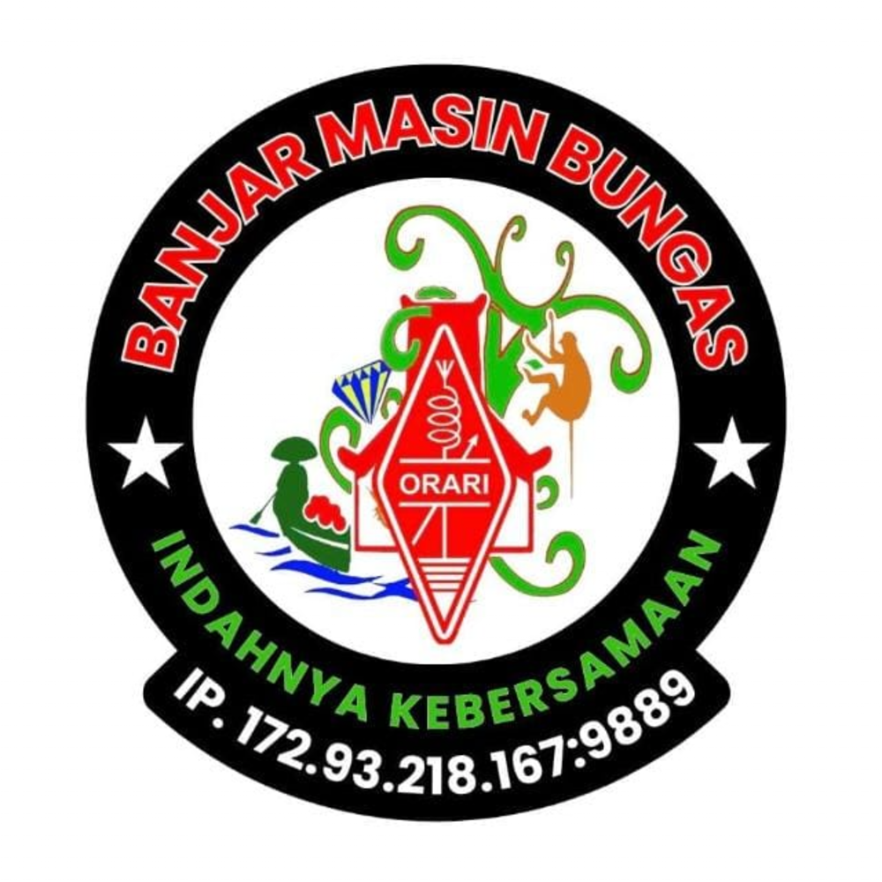 |  |  | BANJARMASIN BUNGAS NET
 |  |  | Freq / Server: BANJARMASIN SERVER
 |  |  | Tanggal: 10-07-26
 |  |  | Logsheeter: YC8BCQ
 |  |  | NCS: YC8BCQ
 |  |  | KEAR: -

NO | CALL SIGN | NO | CALL SIGN | NO | CALL SIGN | NO | CALL SIGN | NO | CALL SIGN | NO | CALL SIGN
1 | YD8FAC | 16 | YD8EHS | 31 | YC9COO | 46 | YD2DVD | 61 |  | 76
2 | YD8MTU | 17 | YF7HZ | 32 | YC8DS | 47 | YB8PBS | 62 |  | 77
3 | YC7EWE | 18 | YD9GYX | 33 | YE5SPB | 48 | YB4MBB | 63 |  | 78
4 | YC7HHM | 19 | YD6HBM | 34 | YD4FUY | 49 | YC2MSY | 64 |  | 79
5 | YD8AVY | 20 | YB3GET | 35 | YD9HOU | 50 | YG5NHX | 65 |  | 80
6 | YD2SAR | 21 | YC7NGD | 36 | YF5NZL | 51 | YD4JMC | 66 |  | 81
7 | YC8CPL | 22 | YC4FQC | 37 | YF8RVC | 52 | YC8ECP | 67 |  | 82
8 | YF8VHT | 23 | YC6IEB | 38 | YD1RJT | 53 | YF4FHW | 68 |  | 83
9 | YC5OE | 24 | YF8WEK | 39 | YB7DCJ | 54 | YD9IHC | 69 |  | 84
10 | YB4CHE | 25 | YC8HBQ | 40 | YC0UL | 55 | YC6SJB | 70 |  | 85
11 | YF5NCU | 26 | YC6IES | 41 | YG8YPZ | 56 | YC8NFD | 71 |  | 86
12 | YC2BDR | 27 | YC8EPE | 42 | YE5RB | 57 | YF8VHC | 72 |  | 87
13 | YC8HNM | 28 | YF5STS | 43 | YB8SDV | 58 | YC3OQU | 73 |  | 88
14 | YD8AXI | 29 | YG4SAL | 44 | HS9FMO | 59 | YD6HVY | 74 |  | 89
15 | YD7KFH | 30 | YC6AAA | 45 | E25STI | 60 | 9W2LIM | 75 |  | 90

TERIMA KASIH ATAS PARTISIPASI REKAN-REKAN SEMUA. MOHON MAAF JIKA ADA KESALAHAN DALAM PENULISAN CALLSIGN NYA. SAMPAI JUMPA PADA NET BERIKUTNYA.

