Simpel
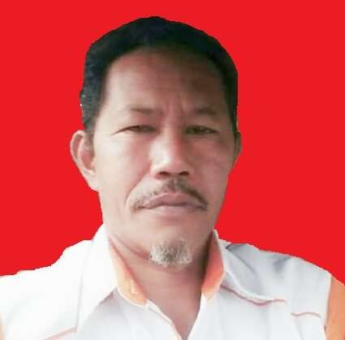 |  |  | NET RUTIN ORLOK ENREKANG
 |  |  | Freq / Server: 145.3500/RPU LATIMOJONG
 |  |  | Tanggal: 05-07-26
 |  |  | Logsheeter: YC8BCQ
 |  |  | NCS: YC8BCQ
 |  |  | KEAR: -

NO | CALL SIGN | NO | CALL SIGN | NO | CALL SIGN | NO | CALL SIGN | NO | CALL SIGN | NO | CALL SIGN
1 | YD8EVS | 16 | YG8BAP | 31 | YD8EHS | 46 | YC2YDO | 61 | YD8GLP | 76 | YB8BV
2 | YD8DNS | 17 | YC8HBQ | 32 | YC8DDL | 47 | YC7HNM | 62 | YD2OON | 77 | YD8FLF
3 | YD8FAC | 18 | YC8FXS | 33 | YD8MTU | 48 | YF7HZ | 63 | YD8FHC | 78 | YC8BVF
4 | YD8CGU | 19 | YC8HYP | 34 | YD8BXX | 49 | YC8EMQ | 64 | YD8AZQ | 79 | YD8DCN
5 | YC8BGQ | 20 | YD8EYG | 35 | YC8LJZ | 50 | YC8ETQ | 65 | YD8BCH | 80 | YD8MAD
6 | YC8APN | 21 | YC8HNM | 36 | YB7UYA | 51 | YD8BMN | 66 | YD8MXX | 81 | CAMAR061
7 | YC8ATI | 22 | YD8AVY | 37 | YB7RWN | 52 | ADIBACAMAR | 67 | YD8FJV | 82 | CAMAR265
8 | YD8AMS | 23 | YB9XCM | 38 | YC4JHY | 53 | YD8AZE | 68 | CAMAR177 | 83 | CAMAR031
9 | YD8EVZ | 24 | YC9VCD | 39 | YC8DIM | 54 | YC8DEH | 69 | YD8IGA | 84 | CAMAR116
10 | YD8EOV | 25 | YD8AOR | 40 | YC8HEL | 55 | CAROSDIANA | 70 | CAMAR270 | 85 | CAMAR191
11 | YC8GTU | 26 | YD8DCO | 41 | YC8IRZ | 56 | YD8IRL | 71 | YD8EON | 86 | CAMA126
12 | YC8AUL | 27 | YD8AWX | 42 | YD8FEL | 57 | YB8CP | 72 | YB8ECK | 87 | YC8LZL
13 | YD8BPM | 28 | YD8EQE | 43 | YD8BEG | 58 | YC8CPL | 73 | YD8BMM | 88
14 | YD8DGL | 29 | YD8FAE | 44 | YD8FDX | 59 | YD8FAB | 74 | YD8ECX | 89
15 | YG8AZY | 30 | YD8EPK | 45 | YC8APX | 60 | YD8IDC | 75 | YF8AJT | 90

TERIMA KASIH ATAS PARTISIPASI REKAN-REKAN SEMUA. MOHON MAAF JIKA ADA KESALAHAN DALAM PENULISAN CALLSIGN NYA. SAMPAI JUMPA PADA NET BERIKUTNYA.

